Defects, new features
 | Device - Lenovo Ideapad 700-15ISK OS -Windows 10 (OS build 19043.1466) App - Simple Note Book App version - 1.0.1.10

 | DEFECTS
ID | Title | Step to reproduce | Pictures
1 | Camera button is not properly aligned with note text field | 1. Launch application | 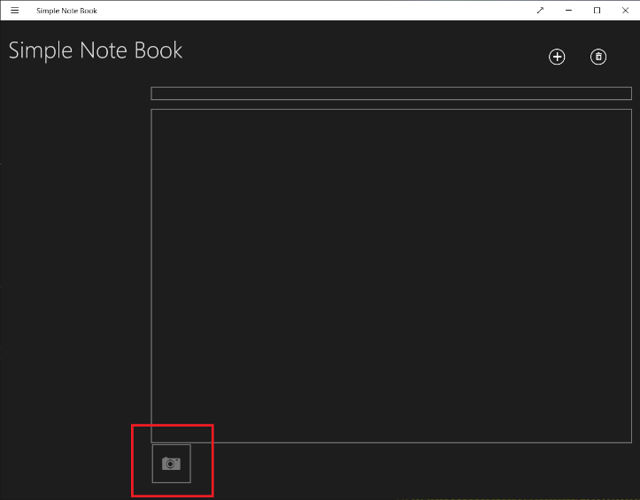
 |  | In main window camera button is positioned slightly to the right
2 | Delete button is not disabled when none of notes is sellected or notes list is empty | 1. Launch application | 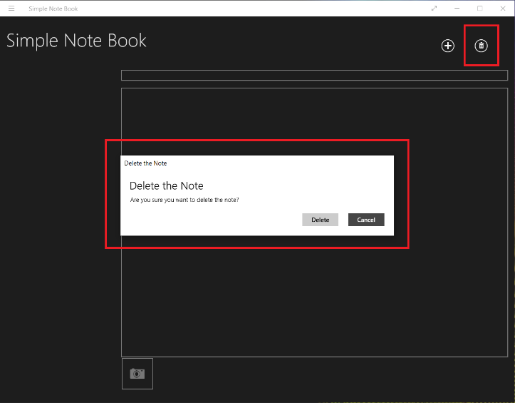
 |  | 2. Don't create or select any note
 |  | Delete button is active and can be pressed, notification window opens
3 | Camera, "+" and trashbin buttons don't have tooltips | 1. Launch application
 |  | 2. Navigate mouse coursor over any of camera, "+" or trashbin buttons
 |  | No tooltips appear when mouse coursor is navigated on camera, "+" and trashbin buttons
4 | Saved note disappear after entering 10000 symbols in note name field and restarting application | 1. Launch application
 |  | 2. Press on "+" button to add new note
 |  | 3. Enter 10000 symbols in note name field
 |  | 4. Restart application
 |  | Saved note disappears
5 | Entering 20000 symbols crashes note name field | 1. Launch application | 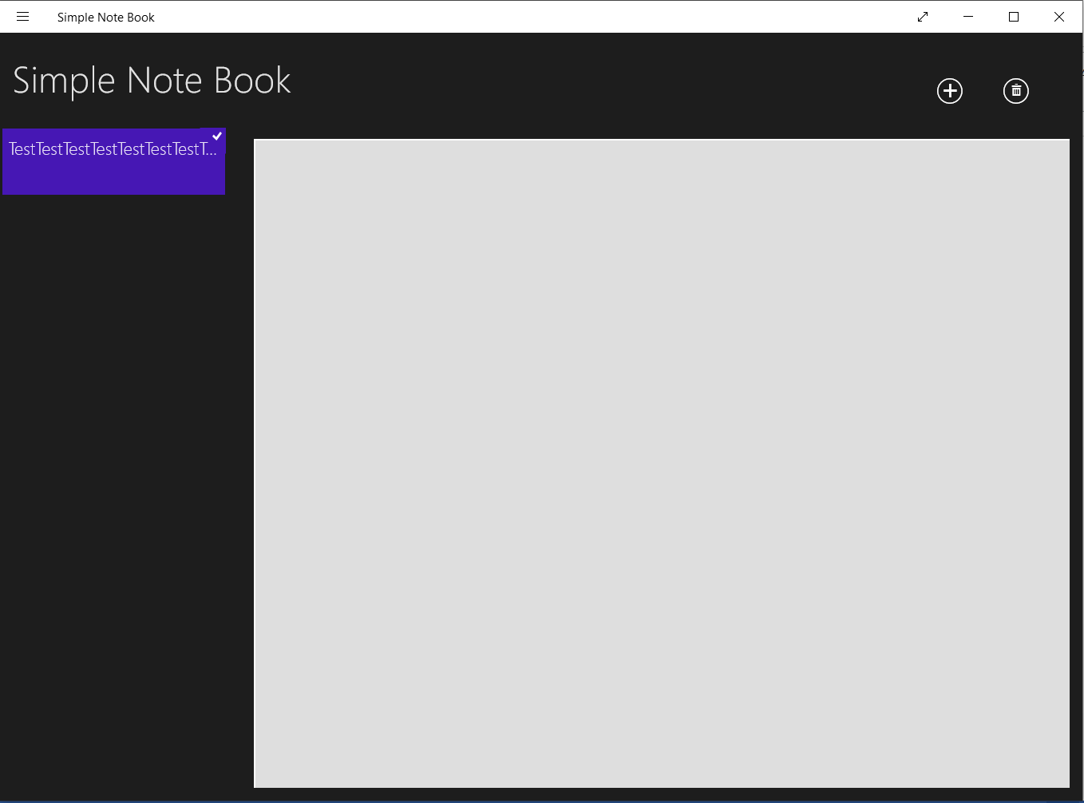
 |  | 2. Press on "+" button to add new note
 |  | 3. Enter 20000 symbols in note name field
 |  | Note name field crashes. Camera icon, note name and text fields disappear. Instead, new bigger unresponsive field appears. After restarting application saved note disappears.
6 | Entering 50000 symbols in note name field crashes application | 1. Launch application
 |  | 2. Press on "+" button to add new note
 |  | 3. Enter 50000 symbols in note name field
 |  | Application crashes
7 | Saved note disappear after entering 50000 symbols in note text field and restarting application | 1. Launch application
 |  | 2. Press on "+" button to add new note
 |  | 3. Enter 50000 symbols in note text field
 |  | 4. Restart application
 |  | Saved note disappears
8 | Camera window is opened without asking user's permission to use device's camera | 1. Launch application
 |  | 2. Press on "+" button to add new note
 |  | 3. Press on camera button
 |  | No notification before camera window is opened
9 | Notes don't have borders | 1. Launch application | 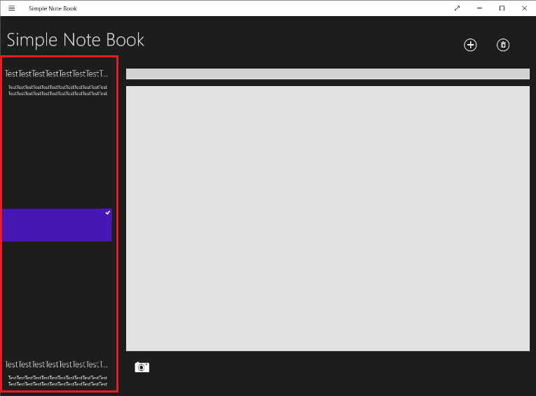
 |  | 2. Add >1 notes
 |  | Notes don't have visual borders in all notes list
10 | No text overflow indicator | 1. Launch application | 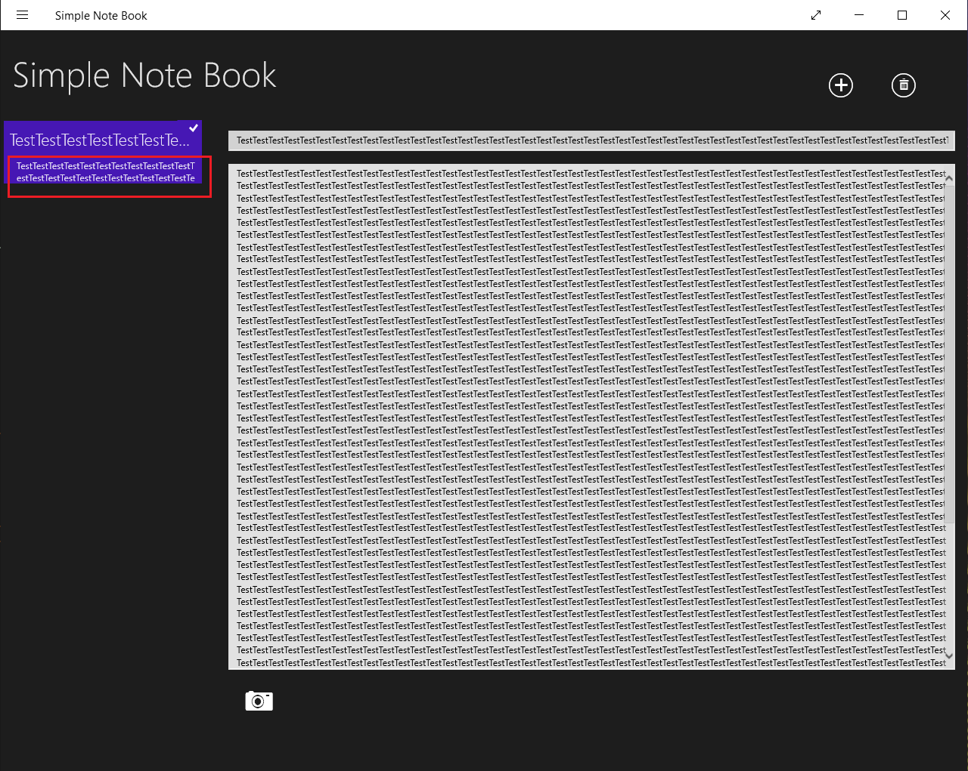
 |  | 2. Press on "+" button to add new note
 |  | 3. Fill 1 row with the text in note text field
 |  | No text overflow indicator appears when note text overflows column width
11 | Note can't be deselected with left mouse button | 1. Launch application
 |  | 2. Press on "+" button to add new note
 |  | 3. With left mouse button press on the note in all notes list to deselect
 |  | Note can't be deselected with left mouse button
12 | >1 note can't be deleted at a time | 1. Launch application
 |  | 2. Add >1 note by pressing on "+"
 |  | 3. Try to select >1 note to delete
 |  | Only 1 note can be selected at at time
13 | No action after pressing on "App commands" | 1. Launch application | 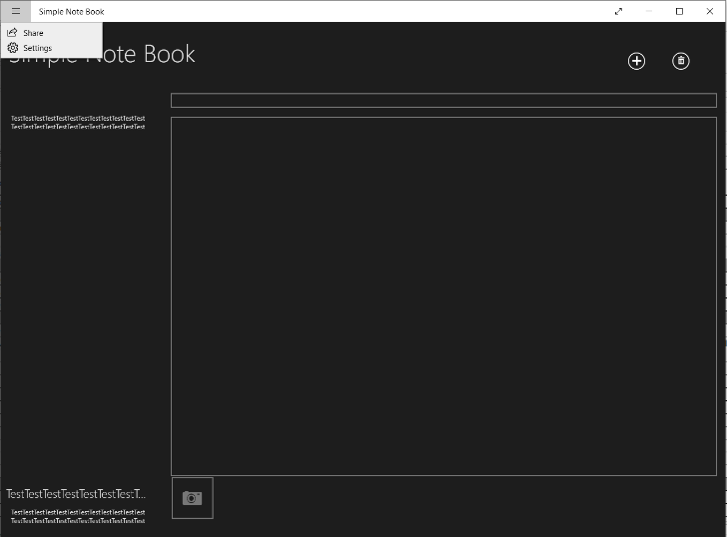 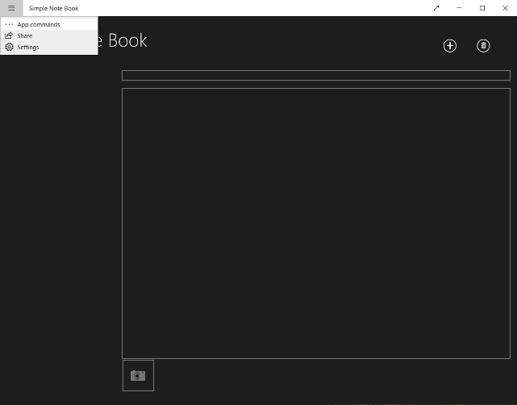
 |  | 2. Press on hamburger menu
 |  | 3. Press on "App commands"
 |  | No action after pressing on "App commands". Sometimes after starting and closing application "App commands" disappear.
14 | User is not able to share his notes | 1. Launch application | 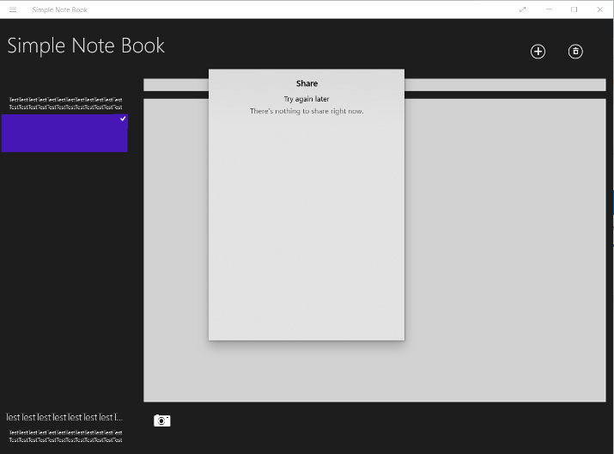
 |  | 2. Press on hamburger menu
 |  | 3. Press on "Share"
 |  | User is not able to share his notes. In "Share" window it is written "Try again later" and "There's nothing to share right now", although user has his notes saved.
15 | Spelling error "Privcy" | 1. Launch application | 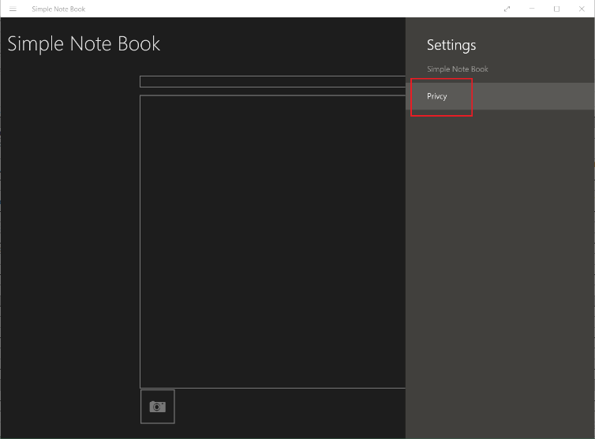
 |  | 2. Press on hamburger menu
 |  | 3. Press on "Settings"
 |  | Spelling error "Privcy"
16 | "Settings" tab name doesn't match it's context | 1. Launch application
 |  | 2. Press on hamburger menu
 |  | 3. Press on "Settings"
 |  | Tab is named "Settings", although the only thing it contains is Privacy Note. It could be renamed "Privacy"
17 | Colors, style, text lay out used in privacy note tab doesn't match application's design | 1. Launch application | 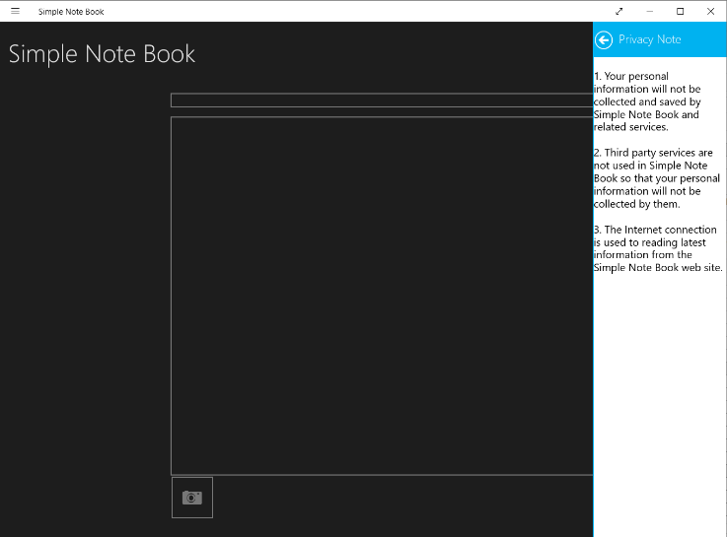
 |  | 2. Press on hamburger menu
 |  | 3. Press on "Settings"
 |  | 4. Press on "Privacy"
 |  | Privacy Note tab looks completly different and doesn't match application's design

 | NEW FEATURES
101 | Function to delete >1 note at a time
102 | Search function
103 | Function to add >1 photo
104 | Function to add document or photo from user's device
105 | Function to sort notes by date

Testing status report
Device - Lenovo Ideapad 700-15ISK OS -Windows 10 (OS build 19043.1466) App - Simple Note Book App version - 1.0.1.10

 | Total
Failed | 2
Pass | 8
ID | Title | Status
1 | DOWNLOAD/INSTALL/LAUNCH | Pass
2 | MAIN WINDOW | Pass
3 | ADD NEW NOTE | Pass
4 | PHOTO | Pass
5 | ALL NOTES LIST | Pass
6 | EDIT NOTE | Pass
7 | DELETE NOTE | Failed
8 | HAMBURGER MENU | Failed
9 | RESIZE AND CLOSE BUTTONS | Pass
10 | UNINSTALL | Pass

